Instructions
1) | Fill out the "Development" information for the top of "Cover Sheet" tab |  | 4) | For each 'Plan or Model' you will take the worst case calculation data and fill in the colored boxes (as shown within the clouded regions).

2) | Fill out the information* for each lot on the "Cover Sheet" tab

 |  |  |  | This will fill out the table and auto populate all of the white cells to determine the safety margins for each lot with this design.

 | *Note: only colored (shaded) boxes need information.

3) | Along the bottom you will see just one tab for the 1st model plan info.

If you need more you can just copy one of the plan tabs over and it will retain the link to the cover sheet.

 |  |  |  | Based on the values entered on cover sheet (Tab) and each plan (type) the highest lot and lowest lots change colors. Additionally the lowest 5 safety margins also change colors.

 |  |  |  | The calculation will also provide notificaiton through red colored shading if you do not have a 10 psi safety margin.

5) | The "Cover Sheet" table needs to be on the cover sheet of
 | your Sprinkler Standard Plans. Showing every lot
 | in the designed development. |  | If you have less than 100 lots in your development I would delete the extra cells not needed.

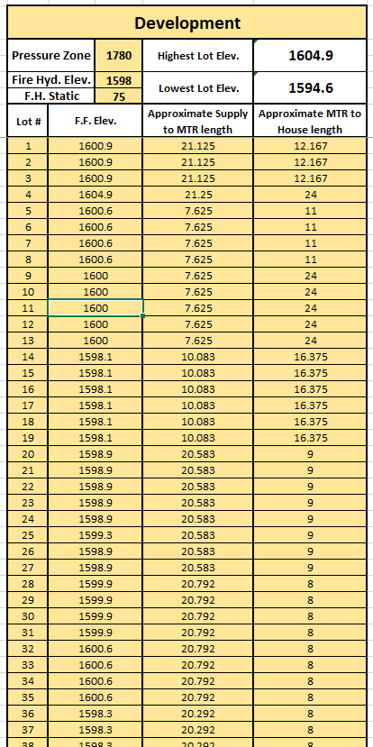
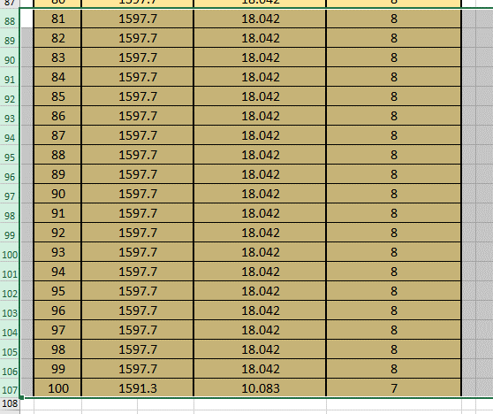
 |  | Note:
 |  | 1) This table is limited to 100 Lots if your development has more than 100 create an additional table.

 |  | 2) The data you fill in here auto fills in on the "Plan ?" tabs. This will prevent multiple data entries, etc…

 |  |  | You will then need to delete the coresponding cells in the "Plan A" tab

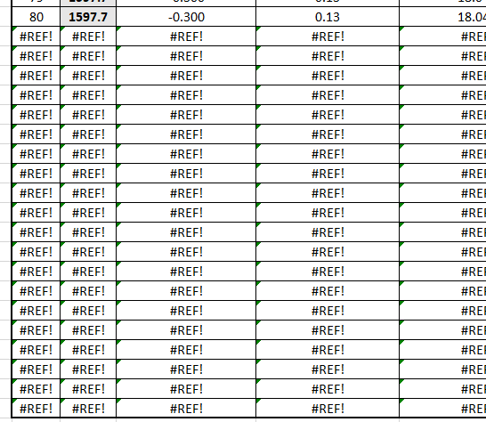
 |  |  |  |  | Once you have deleted the cells from "Plan A" tab you can then copy the tab over to create the other Model plan info.

